highest_lowest_income
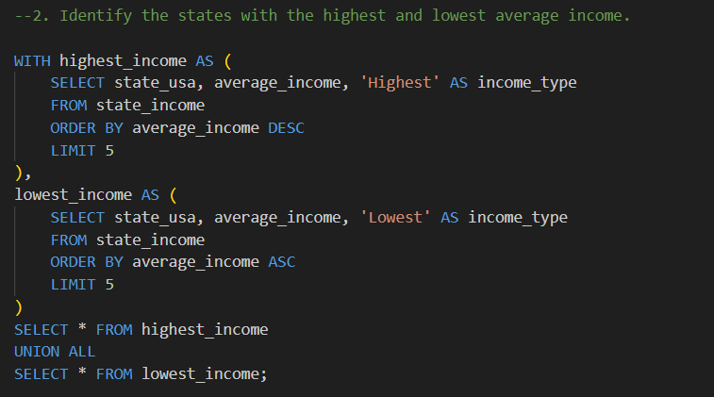
state_usa | average_income | income_type
Maryland | 89392 | Highest
Massachusetts | 82427 | Highest
New Jersey | 81740 | Highest
California | 80440 | Highest
Connecticut | 79287 | Highest
West Virginia | 46254 | Lowest
Mississippi | 47131 | Lowest
New Mexico | 48701 | Lowest
Arkansas | 48829 | Lowest
Kentucky | 50675 | Lowest

highest_lowest_corruption
state_usa | convictions_per_capita | conviction_rate
Rhode Island | 8.35 | Highest
West Virginia | 5.64 | Highest
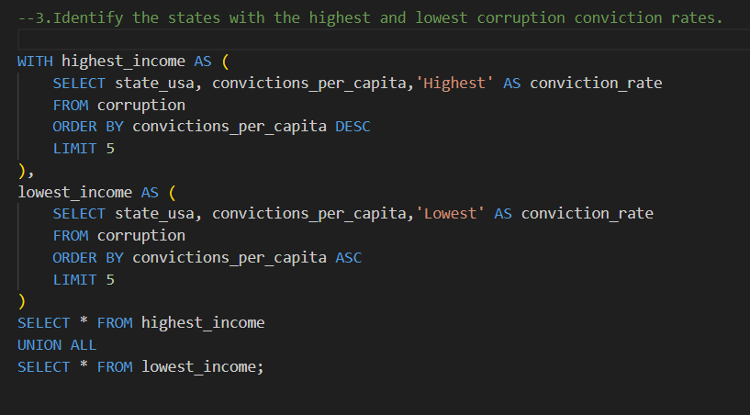
Louisiana | 3.72 | Highest
Tennessee | 3.69 | Highest
Oklahoma | 3.23 | Highest
Hawaii | 0.43 | Lowest
Vermont | 0.44 | Lowest
Maine | 0.48 | Lowest
New Hampshire | 0.51 | Lowest
Nebraska | 0.57 | Lowest

